Sum of Area
Row Labels | Sum of Area
Afghanistan | 652860
Argentina | 778
SUM OF AREA
Australia | 430
Austria | 30530
Bangladesh | 5770
Belgium | 181040
Bermuda | 475440
Brazil | 1861
Burma | 42920
Canada | 338450
Chile | 357580
China | 6.8
Colombia | 131960
Congo (Dem. Republic) | 340
Cyprus | 27750
Egypt | 1745150
Finland | 377970
France | 120
Gambia | 2590
Georgia | 30
Germany | 330345
Greece | 320
Hong Kong | 2040
Iceland | 1964375
India | 2
Indonesia | 21
Ireland | 923770
Israel | 385203
Japan | 312680
Jordan | 92226
Kenya | 11610
Latvia | 620
Malaysia | 505935
Maldives | 65610
Malta | 53
Mexico | 447430
Nepal | 603550
Netherlands | 83600
New Zealand | 243610
Nigeria | 331230
Grand Total | 10677805.8

Sum of population
Row Labels | Sum of Popularity
Afghanistan | 63
Argentina | 34
SUM OF POPULARITY
Australia | 41
Austria | 43
Bangladesh | 33
Belgium | 40
Bermuda | 35
Brazil | 32
Burma | 33
Canada | 45
Chile | 33
China | 73
Colombia | 28
Congo (Dem. Republic) | 36
Cyprus | 48
Egypt | 45
Finland | 32
France | 71
Gambia | 31
Georgia | 36
Germany | 42
Greece | 45
Hong Kong | 52
Iceland | 33
India | 49
Indonesia | 39
Ireland | 36
Israel | 30
Japan | 41
Jordan | 28
Kenya | 43
Latvia | 23
Macao | 50
Malaysia | 44
Maldives | 18
Malta | 44
Mexico | 53
Nepal | 28
Netherlands | 36
New Zealand | 37
Nigeria | 39
Grand Total | 1642

Death&Birth rate
COUNTRY DEATH RATE & BIRTH RATE
Row Labels | Sum of Birth_rate | Sum of Death_rate
Afghanistan | 31.2 | 6.2
Argentina | 16.6 | 7.6
Australia | 11.5 | 6.3
Austria | 9.4 | 10.3
Bangladesh | 17.5 | 5.5
Belgium | 8.4 | 8.8
Bermuda | 21.2 | 6.8
Brazil | 8.5 | 18
Burma | 21.6 | 6
Cambodia | 9.4 | 8.1
Chile | 8.5 | 7.1
China | 14.4 | 5.7
Colombia | 40.1 | 9.1
Congo (Dem. Republic) | 13.4 | 5.2
Cyprus | 10.3 | 12.1
Egypt | 32.3 | 8.9
Finland | 8.4 | 10
France | 10.9 | 9.9
Gambia | 9.3 | 11.9
Georgia | 28.6 | 7.1
Germany | 7.9 | 12.2
Greece | 5.8 | 6.8
Hong Kong | 17.4 | 7.3
Iceland | 17.9 | 4.8
India | 28.1 | 4.7
Indonesia | 11.2 | 6.4
Ireland | 35.2 | 9.7
Israel | 15.7 | 7.6
Japan | 27.9 | 5.3
Jordan | 12.6 | 2.9
Kenya | 9.2 | 15.2
Latvia | 16.4 | 5.3
Macao | 22.6 | 6.4
Malaysia | 19.3 | 6.3
Maldives | 9.7 | 9.7
Malta | 11.3 | 6.4
Mexico | 37 | 11.4
Nepal | 19.9 | 6
Netherlands | 9.4 | 12.6
New Zealand | 8.2 | 12
Nigeria | 9.2 | 15.4
Grand Total | 683.4 | 345

Education Expenditure
Country total education expenditure
 | Total
Afghanistan | 13
Argentina | 32
Australia | 1764
Austria | 57
Bangladesh | 1676
Belgium | 67
Bermuda | 223
Brazil | 3
Burma | 29
Cambodia | 6
Chile | 128
China | 3
Colombia | 216
Congo (Dem. Republic) | 353
Cyprus | 68
Egypt | 8
Finland | 192
France | 13
Gambia | 1385
Georgia | 34
Germany | 541
Greece | 915
Hong Kong | 22
Iceland | 120
India | 6554
Indonesia | 1635
Ireland | 53
Israel | 1258
Japan | 2310
Jordan | 628
Kenya | 619
Latvia
Macao
Malaysia | 385
Maldives | 16
Malta | 38
Mexico | 298
Nepal | 700
Netherlands | 37
New Zealand | 164
Nigeria | 247
Row Labels | Sum of Education_expenditure_per_inhabitant
Afghanistan | 13
Argentina | 32
Australia | 1764
Austria | 57
Bangladesh | 1676
Belgium | 67
Bermuda | 223
Brazil | 3
Burma | 29
Cambodia | 6
Chile | 128
China | 3
Colombia | 216
Congo (Dem. Republic) | 353
Cyprus | 68
Egypt | 8
Finland | 192
France | 13
Gambia | 1385
Georgia | 34
Germany | 541
Greece | 915
Hong Kong | 22
Iceland | 120
India | 6554
Indonesia | 1635
Ireland | 53
Israel | 1258
Japan | 2310
Jordan | 628
Kenya | 619
Latvia
Macao
Malaysia | 385
Maldives | 16
Malta | 38
Mexico | 298
Nepal | 700
Netherlands | 37
New Zealand | 164
Nigeria | 247
Grand Total | 22810

Height
TOTAL
Row Labels | Sum of Male_height | Sum of Female_height
Afghanistan | 168 | 155
Argentina | 178 | 165
Australia | 174 | 161
Austria | 179 | 165
Bangladesh | 165 | 152
Belgium | 179 | 164
Bermuda | 179 | 166
Brazil | 175 | 162
Burma | 173 | 164
Canada | 171 | 160
Chile | 171 | 162
China | 173 | 159
Colombia | 175 | 163
Congo (Dem. Republic) | 171 | 158
Cyprus | 174 | 160
Egypt | 167 | 155
Finland | 182 | 168
France | 168 | 157
Gambia | 178 | 164
Georgia | 178 | 166
Germany | 175 | 163
Greece | 169 | 159
Hong Kong | 164 | 151
Iceland | 174 | 160
India | 176 | 162
Indonesia | 181 | 168
Ireland | 175 | 161
Israel | 173 | 158
Japan | 168 | 158
Jordan | 172 | 158
Kenya | 170 | 159
Latvia | 178 | 163
Macao | 168 | 154
Malaysia | 170 | 157
Maldives | 169 | 159
Malta | 170 | 160
Mexico | 183 | 170
Nepal | 170 | 158
Netherlands | 177 | 167
New Zealand | 180 | 166
Nigeria | 170 | 159
Grand Total | 7110 | 6596

BMI
TOTAL
Row Labels | Sum of Male_bmi | Sum of Female_bmi
Afghanistan | 22.6 | 24
Argentina | 27.5 | 26.3
Australia | 27.9 | 27.6
Austria | 27.7 | 26.8
Bangladesh | 21.3 | 21.8
Belgium | 26.8 | 25.7
Bermuda | 27.6 | 29.3
Brazil | 26.3 | 26.8
Burma | 27.2 | 25.9
Canada | 23.6 | 25.1
Chile | 22 | 21.9
China | 27.8 | 28.2
Colombia | 24.1 | 23.5
Congo (Dem. Republic) | 25.8 | 26.7
Cyprus | 26.8 | 28
Egypt | 26.6 | 27.9
Finland | 27 | 26
France | 20.1 | 21
Gambia | 26 | 24.4
Georgia | 29.6 | 29.5
Germany | 27.5 | 27.7
Greece | 22.6 | 25.2
Hong Kong | 25.7 | 27.3
Iceland | 24.5 | 23.8
India | 28.2 | 26.6
Indonesia | 27.1 | 25.6
Ireland | 25.3 | 27.2
Israel | 27.8 | 29.7
Japan | 23.4 | 24.2
Jordan | 23.6 | 21.9
Kenya | 22.2 | 24.4
Latvia | 28 | 27.5
Macao | 24.6 | 26.3
Malaysia | 27.5 | 28.5
Maldives | 28.3 | 31.4
Malta | 25.8 | 26.6
Mexico | 27 | 26.2
Nepal | 22.6 | 24
Netherlands | 31.5 | 33.4
New Zealand | 27.4 | 26.2
Nigeria | 29.6 | 29.7
Grand Total | 1064.5 | 1079.8

Female weight
FEMALE WEIGHT
Row Labels | Sum of Female_weight
Afghanistan | 57.9
Argentina | 71.7
Australia | 71.4
Austria | 72.6
Bangladesh | 50.5
Belgium | 68.8
Bermuda | 80.4
Brazil | 70.3
Burma | 69.6
Canada | 64.3
Chile | 57.3
China | 71.5
Colombia | 62.2
Congo (Dem. Republic) | 66.4
Cyprus | 71.7
Egypt | 66.9
Finland | 73.7
France | 51.6
Gambia | 66
Georgia | 81.3
Germany | 73.2
Greece | 63.3
Hong Kong | 61.9
Iceland | 61.1
India | 70.1
Indonesia | 72.6
Ireland | 70.5
Israel | 74.4
Japan | 60.7
Jordan | 54.8
Kenya | 61.8
Latvia | 73.4
Macao | 62.4
Malaysia | 70.7
Maldives | 79.6
Malta | 67.8
Mexico | 75.3
Nepal | 59.7
Netherlands | 92.6
New Zealand | 72.6
Nigeria | 75.4
Grand Total | 2800

male weight
Male weight
Row Labels | Sum of Male_weight
Afghanistan | 63.6
Argentina | 87.3
Australia | 84.7
Austria | 88.3
Bangladesh | 57.7
Belgium | 85.9
Bermuda | 88.4
Brazil | 80.7
Burma | 81.8
Canada | 69
Chile | 64.1
China | 82.8
Colombia | 73.5
Congo (Dem. Republic) | 75.7
Cyprus | 80.9
Egypt | 74.2
Finland | 89.9
France | 56.5
Gambia | 82.6
Georgia | 93.8
Germany | 84.2
Greece | 64.9
Iceland | 74.4
India | 87.6
Indonesia | 89.2
Ireland | 77.3
Israel | 83.2
Japan | 65.9
Jordan | 69.5
Kenya | 63.9
Latvia | 88.9
Macao | 69.2
Malaysia | 79.3
Maldives | 81.1
Malta | 74.7
Mexico | 90.4
Nepal | 65.1
Netherlands | 98.8
New Zealand | 89.1
Nigeria | 86
Grand Total | 3144.1

dashboard
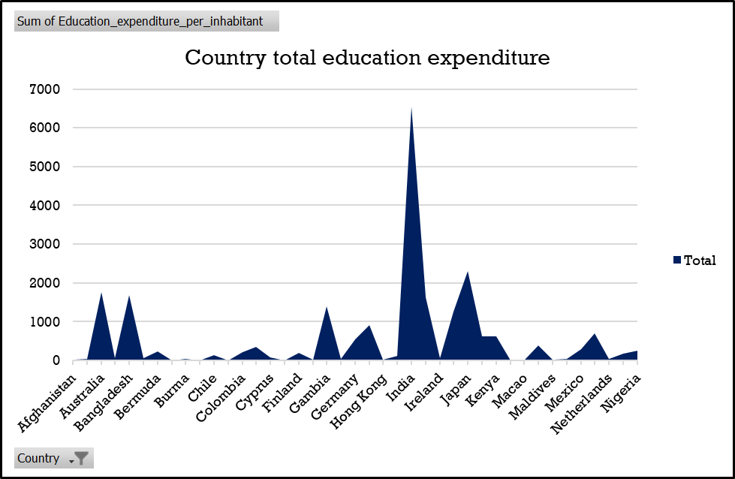
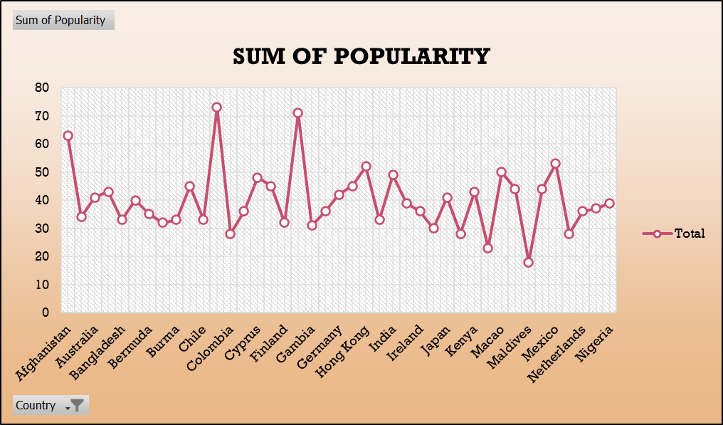
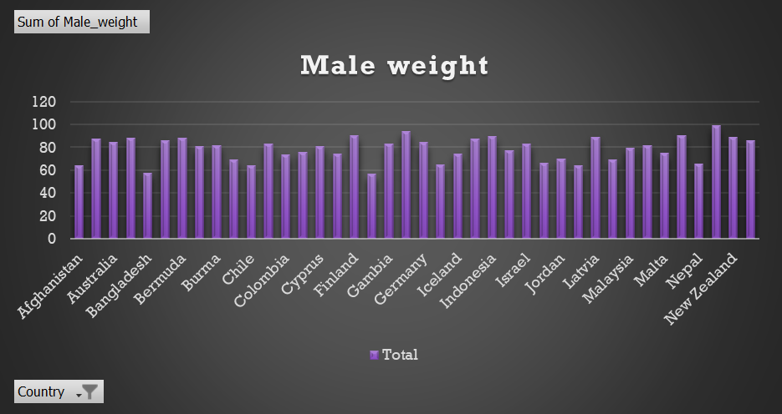
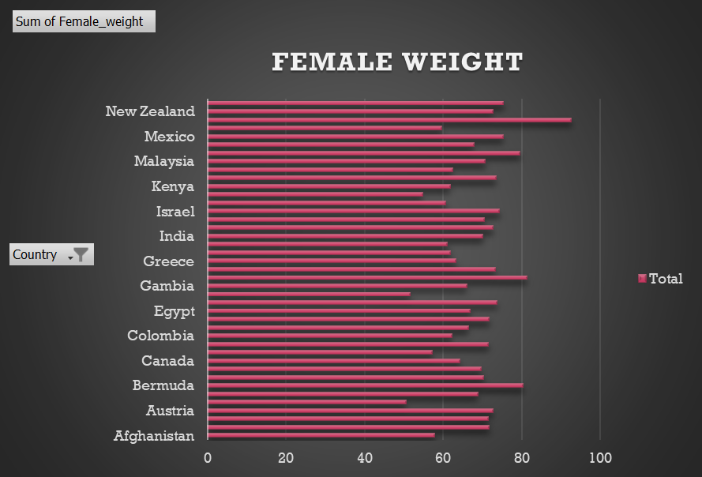
COUNTRY DEATH RATE & BIRTH RATE
 | Sum of Birth_rate | Sum of Death_rate
Afghanistan | 31.2 | 6.2
Argentina | 16.6 | 7.6
Australia | 11.5 | 6.3
Austria | 9.4 | 10.3
Bangladesh | 17.5 | 5.5
Belgium | 8.4 | 8.8
Bermuda | 21.2 | 6.8
Brazil | 8.5 | 18
Burma | 21.6 | 6
Cambodia | 9.4 | 8.1
Chile | 8.5 | 7.1
China | 14.4 | 5.7
Colombia | 40.1 | 9.1
Congo (Dem. Republic) | 13.4 | 5.2
Cyprus | 10.3 | 12.1
Egypt | 32.3 | 8.9
Finland | 8.4 | 10
France | 10.9 | 9.9
Gambia | 9.3 | 11.9
Georgia | 28.6 | 7.1
Germany | 7.9 | 12.2
Greece | 5.8 | 6.8
Hong Kong | 17.4 | 7.3
Iceland | 17.9 | 4.8
India | 28.1 | 4.7
Indonesia | 11.2 | 6.4
Ireland | 35.2 | 9.7
Israel | 15.7 | 7.6
Japan | 27.9 | 5.3
Jordan | 12.6 | 2.9
Kenya | 9.2 | 15.2
Latvia | 16.4 | 5.3
Macao | 22.6 | 6.4
Malaysia | 19.3 | 6.3
Maldives | 9.7 | 9.7
Malta | 11.3 | 6.4
Mexico | 37 | 11.4
Nepal | 19.9 | 6
Netherlands | 9.4 | 12.6
New Zealand | 8.2 | 12
Nigeria | 9.2 | 15.4
 | Sum of Male_height | Sum of Female_height
Afghanistan | 168 | 155
Argentina | 178 | 165
Australia | 174 | 161
Austria | 179 | 165
Bangladesh | 165 | 152
Belgium | 179 | 164
Bermuda | 179 | 166
Brazil | 175 | 162
Burma | 173 | 164
Canada | 171 | 160
Chile | 171 | 162
China | 173 | 159
Colombia | 175 | 163
Congo (Dem. Republic) | 171 | 158
Cyprus | 174 | 160
Egypt | 167 | 155
Finland | 182 | 168
France | 168 | 157
Gambia | 178 | 164
Georgia | 178 | 166
Germany | 175 | 163
Greece | 169 | 159
Hong Kong | 164 | 151
Iceland | 174 | 160
India | 176 | 162
Indonesia | 181 | 168
Ireland | 175 | 161
Israel | 173 | 158
Japan | 168 | 158
Jordan | 172 | 158
Kenya | 170 | 159
Latvia | 178 | 163
Macao | 168 | 154
Malaysia | 170 | 157
Maldives | 169 | 159
Malta | 170 | 160
Mexico | 183 | 170
Nepal | 170 | 158
Netherlands | 177 | 167
New Zealand | 180 | 166
Nigeria | 170 | 159

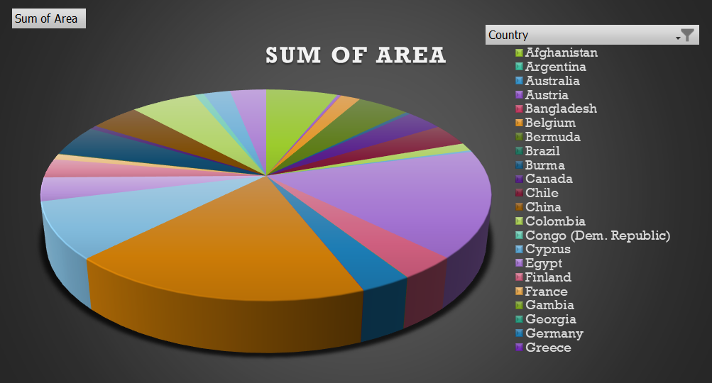
TOTAL
 | Sum of Male_bmi | Sum of Female_bmi
Afghanistan | 22.6 | 24
Argentina | 27.5 | 26.3
Australia | 27.9 | 27.6
Austria | 27.7 | 26.8
Bangladesh | 21.3 | 21.8
Belgium | 26.8 | 25.7
Bermuda | 27.6 | 29.3
Brazil | 26.3 | 26.8
Burma | 27.2 | 25.9
Canada | 23.6 | 25.1
Chile | 22 | 21.9
China | 27.8 | 28.2
Colombia | 24.1 | 23.5
Congo (Dem. Republic) | 25.8 | 26.7
Cyprus | 26.8 | 28
Egypt | 26.6 | 27.9
Finland | 27 | 26
France | 20.1 | 21
Gambia | 26 | 24.4
Georgia | 29.6 | 29.5
Germany | 27.5 | 27.7
Greece | 22.6 | 25.2
Hong Kong | 25.7 | 27.3
Iceland | 24.5 | 23.8
India | 28.2 | 26.6
Indonesia | 27.1 | 25.6
Ireland | 25.3 | 27.2
Israel | 27.8 | 29.7
Japan | 23.4 | 24.2
Jordan | 23.6 | 21.9
Kenya | 22.2 | 24.4
Latvia | 28 | 27.5
Macao | 24.6 | 26.3
Malaysia | 27.5 | 28.5
Maldives | 28.3 | 31.4
Malta | 25.8 | 26.6
Mexico | 27 | 26.2
Nepal | 22.6 | 24
Netherlands | 31.5 | 33.4
New Zealand | 27.4 | 26.2
Nigeria | 29.6 | 29.7

